3
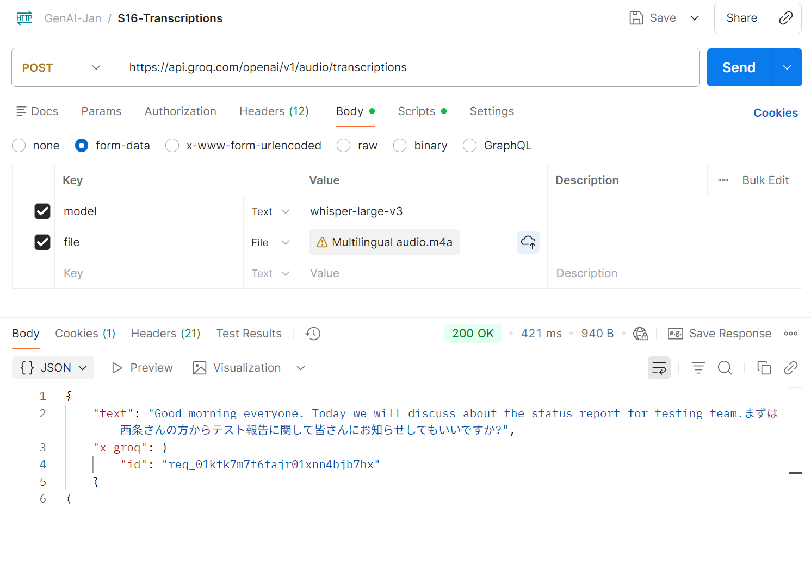
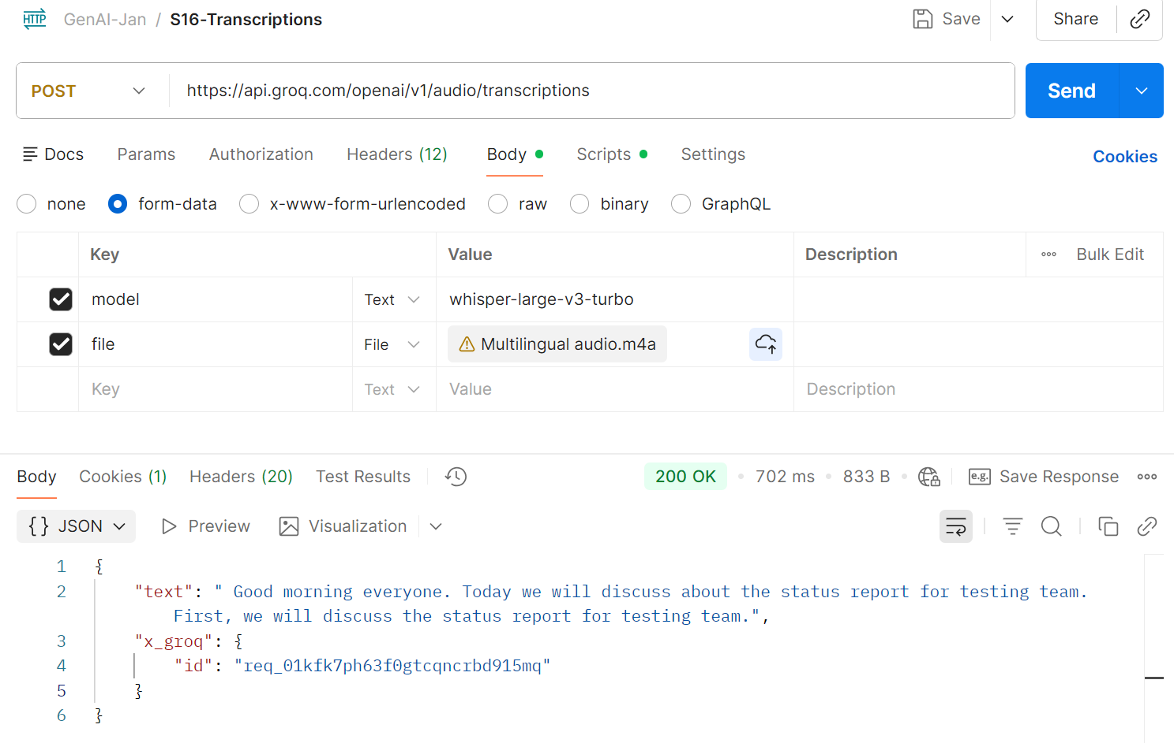
 | 3)S16-Transcriptions
 | Try to generate the meeting summary of your office meeting or any files of your choice and Extract the text
 | (Use whisper-large-v3 and also the whisper-large-v3 Turbo)

Input audio | It contains English and Japanese sentence.
 |  | Below is better | Below LLM failed to transcript the Japanese sentence

4
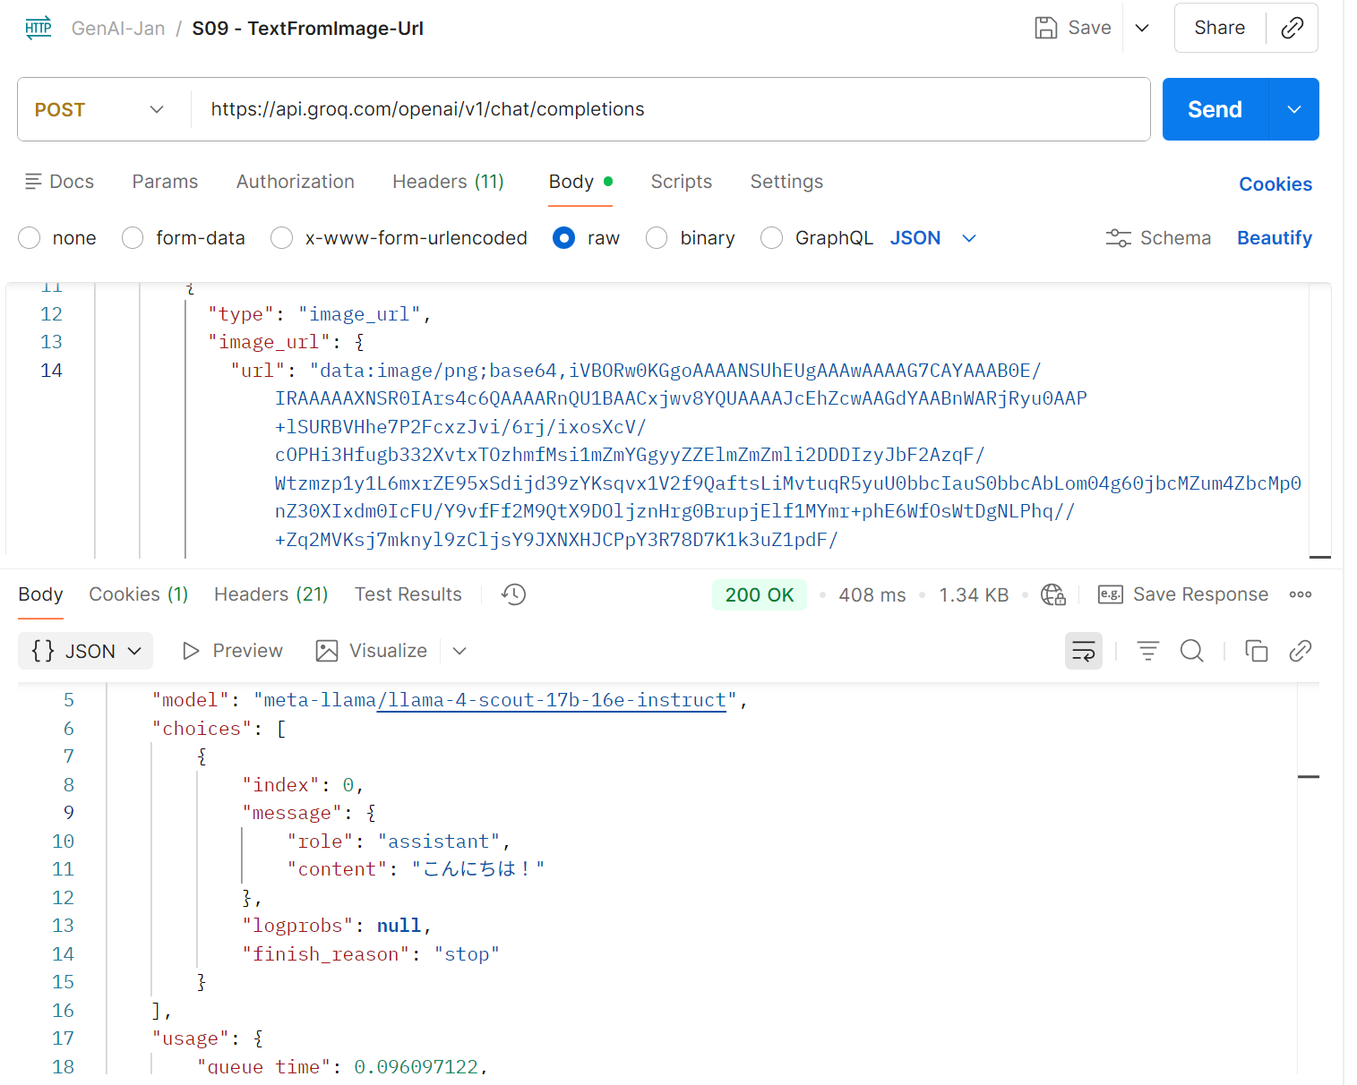
4)S09 - TextFromImage-Url Use the vision model to extract the text from multilingual

Able to cover Japanese Image to Text

